1. Overfitting and Underfitting
What is Overfitting/Underfitting a Model?
As mentioned, in statistics and machine learning we usually split our data into two subsets: training data and testing data (and sometimes to three: train, validate and test), and fit our model on the train data, in order to make predictions on the test data. When we do that, one of two thing might happen: we overfit our model or we underfit our model. We don’t want any of these things to happen, because they affect the predictability of our model — we might be using a model that has lower accuracy and/or is ungeneralized (meaning you can’t generalize your predictions on other data). Let’s see what under and overfitting actually mean:
Overfitting
Overfitting means that model we trained has trained “too well” and is now, well, fit too closely to the training dataset. This usually happens when the model is too complex (i.e. too many features/variables compared to the number of observations). This model will be very accurate on the training data but will probably be very not accurate on untrained or new data. It is because this model is not generalized (or not AS generalized), meaning you can generalize the results and can’t make any inferences on other data, which is, ultimately, what you are trying to do. Basically, when this happens, the model learns or describes the “noise” in the training data instead of the actual relationships between variables in the data. This noise, obviously, isn’t part in of any new dataset, and cannot be applied to it.
Underfitting
In contrast to overfitting, when a model is underfitted, it means that the model does not fit the training data and therefore misses the trends in the data. It also means the model cannot be generalized to new data. As you probably guessed (or figured out!), this is usually the result of a very simple model (not enough predictors/independent variables). It could also happen when, for example, we fit a linear model (like lineear regression) to data that is not linear. It almost goes without saying that this model will have poor predictive ability (on training data and can’t be generalized to other data).
It is worth noting the underfitting is not as prevalent as overfitting. Nevertheless, we want to avoid both of those problems in data analysis. You might say we are trying to find the middle ground between under and overfitting our model. As you will see, train/test split and cross validation help to avoid overfitting more than underfitting. Let’s dive into both of them!

2. Train & Test Split
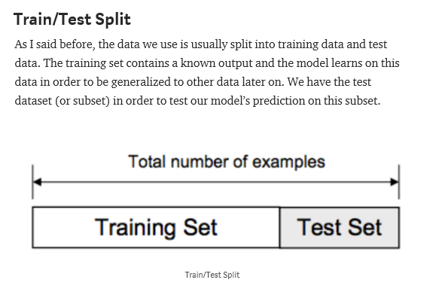

3. Cross Validation
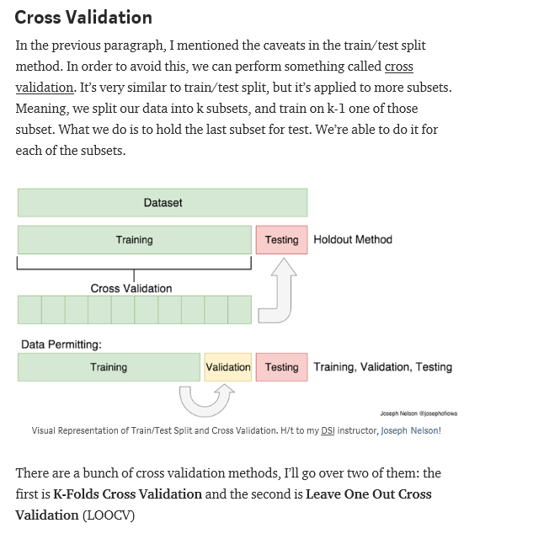

3.1 K folds
